Sheet2
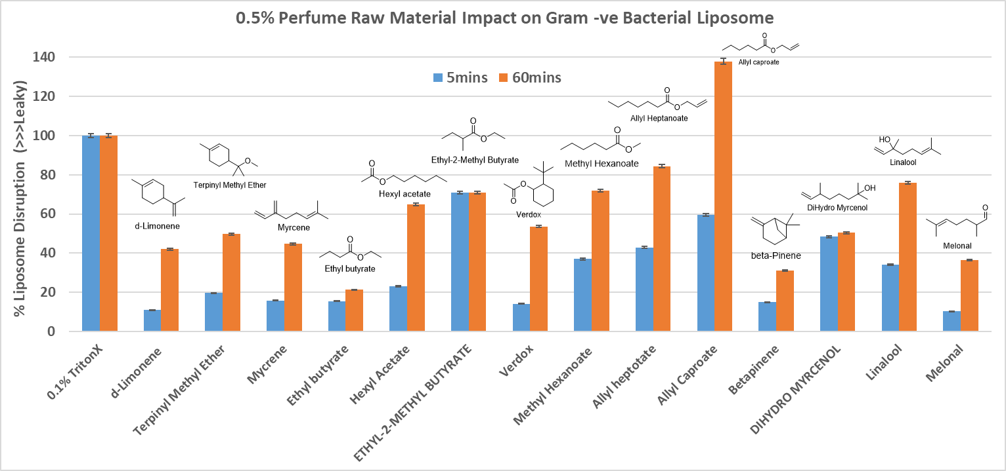
Sample Name | % difference between sample and triton
 | 5min | 10min | 15min | 30min | 1hr | 1hr 30min | 2hr | 706-14-9 | Gamma decalactone
Tx | 100 | 100 | 100 | 100 | 100 | 100 | 100 | 5392-40-5 | Citral
cyclac c | 68 | 74 | 78 | 87 | 103 | 109 | 115 | 97-53-0 | Eugenol
cyclogalbaniff | 94 | 99 | 104 | 111 | 116 | 116 | 119 | 106-24-1 | Geraniol
cyclopentadecanolide | 24 | 27 | 30 | 39 | 46 | 50 | 50 | 6485-40-1 | L-carvon
citronellyl acetate | 43 | 47 | 52 | 60 | 68 | 74 | 83 | 89-78-1 | Menthol
diacetyl | 37 | 41 | 42 | 46 | 52 | 54 | 60 | 14073-97-3 | Menthone
dipentene | 23 | 26 | 29 | 35 | 43 | 57 | 69 | 4180-23-8 | Anethole
dimethyl anthranilate | 49 | 54 | 57 | 65 | 73 | 77 | 80 | 470-82-6 | Eucalyptol
habanolide | 67 | 75 | 81 | 89 | 102 | 107 | 113 | 89-48-5 | Menthyl acetate
geraniol fine | 69 | 75 | 80 | 89 | 102 | 116 | 122 | 100-51-6 | Benzyl alcohol
hydratropic aldehyde | 55 | 59 | 63 | 70 | 79 | 82 | 84 | 110-27-0 | Isopropyl myristate
jasmolactone | 14 | 16 | 17 | 19 | 24 | 31 | 34 | 544-12-7 | Beta-gamma Hexenol
methyl anthranlite | 12 | 14 | 16 | 21 | 27 | 33 | 37 | 123-66-0 | Ethyl hexanoate
myraldyl acetate | 40 | 45 | 48 | 54 | 59 | 63 | 68
methyl phenyl acetate | 45 | 49 | 51 | 56 | 59 | 64 | 67
muguesia | 76 | 82 | 88 | 100 | 112 | 115 | 118
myrcene-stabalised | 29 | 32 | 33 | 38 | 42 | 49 | 54
nectaryl | 37 | 40 | 44 | 50 | 58 | 63 | 65
neo hivernal | 75 | 80 | 85 | 96 | 106 | 114 | 118
phenoxyl ethyl iso butyrate | 37 | 40 | 42 | 45 | 45 | 46 | 46
tangeriol | 37 | 41 | 44 | 51 | 58 | 64 | 67
vanillin | -12 | -11 | -13 | -14 | -14 | -6 | -3
iso eugenol acetate | 28 | 31 | 33 | 38 | 46 | 51 | 51
ethylene brasslyate | 75 | 78 | 84 | 92 | 114 | 119 | 127
ethyl 2-methylpentanose | 60 | 64 | 70 | 72 | 77 | 81 | 83
ethyl tricyclopentene butenol | 40 | 41 | 44 | 46 | 56 | 59 | 64
florol | 58 | 59 | 60 | 61 | 64 | 66 | 72
hexamethylindanopyran | 64 | 62 | 65 | 64 | 69 | 70 | 73
mayol | 58 | 60 | 62 | 67 | 81 | 87 | 96
pyranol | 56 | 57 | 59 | 63 | 75 | 81 | 87
phenoxanol | 65 | 66 | 69 | 72 | 84 | 90 | 98
phenoethanol | 55 | 56 | 59 | 61 | 71 | 74 | 81
cyclemax | 57 | 59 | 67 | 77 | 89 | 103 | 108
pinyl isobutryaldehyde | 33 | 38 | 42 | 49 | 56 | 60 | 62
fresh leaves dois mod 3 zmpg w lavender | 54 | 56 | 61 | 67 | 88 | 98 | 106
perfume architect he | 44 | 46 | 51 | 56 | 73 | 82 | 90
perfume water jet coco | 41 | 42 | 43 | 46 | 56 | 64 | 75
2,6-nonadien-1-ol | 55 | 55 | 57 | 60 | 72 | 82 | 90
acalea tbhq | 60 | 63 | 65 | 71 | 85 | 91 | 98
benzaldehyde | 54 | 58 | 60 | 64 | 75 | 79 | 87
bisabolene | 72 | 72 | 75 | 80 | 92 | 93 | 98
buccox | 71 | 71 | 74 | 76 | 88 | 95 | 102
cashmeran | 46 | 49 | 54 | 56 | 70 | 73 | 80
phenyl ethyl alcohol | 48 | 49 | 52 | 54 | 64 | 67 | 74
Methyl Beta Napthyl Ketone | 44 | 49 | 53 | 66 | 72 | 74 | 75
Methyl Cedrylone | 52 | 54 | 51 | 55 | 63 | 68 | 71
Methyl Dioxolan | 8 | 8 | 8 | 9 | 10 | 12 | 13
Methyl Dihydro Jasmonate | 35 | 35 | 35 | 35 | 41 | 43 | 44
Methyl Ionone Alpha | 47 | 47 | 47 | 51 | 58 | 60 | 64
Methyl Pamplemousse | 47 | 47 | 46 | 49 | 57 | 62 | 73
Methyl Phenyl Carbinyl Acetate | 50 | 47 | 45 | 44 | 46 | 46 | 47
Nerol | 101 | 97 | 94 | 100 | 109 | 114 | 119
Nirvanol | 27 | 27 | 26 | 28 | 32 | 34 | 36
Nonalactone | 92 | 87 | 85 | 89 | 97 | 102 | 108
Nopyl Acetate | 48 | 47 | 52 | 52 | 62 | 69 | 76
Pyranol | 23 | 22 | 22 | 22 | 24 | 25 | 27
Phenoxy Ethanol | 29 | 28 | 30 | 30 | 36 | 39 | 39
Sandalore | 36 | 34 | 39 | 39 | 46 | 51 | 55
Undecalactone | 92 | 88 | 91 | 91 | 101 | 104 | 108
Undecavertol | 34 | 32 | 34 | 34 | 36 | 38 | 41
Verdox | 52 | 51 | 54 | 54 | 57 | 58 | 61
Cedryl Methyl Ether | 3 | 3 | 8 | 8 | 22 | 31 | 36

